Beam cross section
Rectangle inputs (mm) |  |  |  | Calculated values |  |  |  |  |  |  |  |  |  |  | Raws |  | H lengh | L length
x1 | y1 | x2 | y2 | height | width | area | centre x | centre y | Ax | Ay |  | Total area | 2000 | mm^2 | I_xx | I_yy |  |  | J
0 | 100 | 50 | 90 | 10 | 50 | 500 | 25 | 95 | 12500 | 47500 |  | Centre area x | 55 | mm | 1016666.6667 | 554166.66667 | 50 | 10 | 1250000
50 | 0 | 60 | 100 | 100 | 10 | 1000 | 55 | 50 | 55000 | 50000 |  | Centre area y | 50 | mm | 833333.33333 | 8333.3333333 | 100 | 10 | 10000000
60 | 0 | 110 | 10 | 10 | 50 | 500 | 85 | 5 | 42500 | 2500 |  |  |  |  | 1016666.6667 | 554166.66667 | 50 | 10 | 1250000
 |  |  |  | 0 | 0 | 0 | 0 | 0 | 0 | 0 |  |  |  |  | 0 | 0 | 0 | 0 | 0
 |  |  |  | 0 | 0 | 0 | 0 | 0 | 0 | 0 |  |  |  |  | 0 | 0 | 0 | 0 | 0
 |  |  |  | 0 | 0 | 0 | 0 | 0 | 0 | 0 |  |  |  |  | 0 | 0 | 0 | 0 | 0
 |  |  |  | 0 | 0 | 0 | 0 | 0 | 0 | 0 |  | Final I_xx | 2866666.6667 | mm^4 | 0 | 0 | 0 | 0 | 0
 |  |  |  |  | 50
0 | 100 | 0 | 90 | 50 | 100 | 50 | 90
50 | 0 | 50 | 100 | 60 | 0 | 60 | 100
60 | 0 | 60 | 10 | 110 | 0 | 110 | 10
 |  |  |  | 0 | 0 | 0 | 0 | 0 | 0 | 0 |  | Final I_yy | 1116666.6667 | mm^4 | 0 | 0 | 0 | 0 | 0
 |  |  |  | 0 | 0 | 0 | 0 | 0 | 0 | 0 | * | Open J | 12500000 | mm^4 | 0 | 0 | 0 | 0 | 0
 |  |  |  | 0 | 0 | 0 | 0 | 0 | 0 | 0 |  |  |  |  | 0 | 0 | 0 | 0 | 0
 |  |  |  | 0 | 0 | 0 | 0 | 0 | 0 | 0 |  |  |  |  | 0 | 0 | 0 | 0 | 0
 |  |  |  | 0 | 0 | 0 | 0 | 0 | 0 | 0 |  |  |  |  | 0 | 0 | 0 | 0 | 0
 |  |  |  | 0 | 0 | 0 | 0 | 0 | 0 | 0 |  |  |  |  | 0 | 0 | 0 | 0 | 0
 |  |  |  | 0 | 0 | 0 | 0 | 0 | 0 | 0 |  |  |  |  | 0 | 0 | 0 | 0 | 0
 |  |  |  | 0 | 0 | 0 | 0 | 0 | 0 | 0 |  |  |  |  | 0 | 0 | 0 | 0 | 0
 |  |  |  | 0 | 0 | 0 | 0 | 0 | 0 | 0 |  |  |  |  | 0 | 0 | 0 | 0 | 0
 |  |  |  | 0 | 0 | 0 | 0 | 0 | 0 | 0 |  |  |  |  | 0 | 0 | 0 | 0 | 0
 |  |  |  | 0 | 0 | 0 | 0 | 0 | 0 | 0 |  |  |  |  | 0 | 0 | 0 | 0 | 0
 |  |  |  | 0 | 0 | 0 | 0 | 0 | 0 | 0 |  |  |  |  | 0 | 0 | 0 | 0 | 0
 |  |  |  | 0 | 0 | 0 | 0 | 0 | 0 | 0 |  |  |  |  | 0 | 0 | 0 | 0 | 0
 |  |  |  | 0 | 0 | 0 | 0 | 0 | 0 | 0 |  |  |  |  | 0 | 0 | 0 | 0 | 0
 |  |  |  | 0 | 0 | 0 | 0 | 0 | 0 | 0 |  |  |  |  | 0 | 0 | 0 | 0 | 0
 |  |  |  | 0 | 0 | 0 | 0 | 0 | 0 | 0 |  |  |  |  | 0 | 0 | 0 | 0 | 0
 |  |  |  | 0 | 0 | 0 | 0 | 0 | 0 | 0 |  |  |  |  | 0 | 0 | 0 | 0 | 0
 |  |  |  | 0 | 0 | 0 | 0 | 0 | 0 | 0 |  |  |  |  | 0 | 0 | 0 | 0 | 0
 |  |  |  | 0 | 0 | 0 | 0 | 0 | 0 | 0 |  |  |  |  | 0 | 0 | 0 | 0 | 0
 |  |  |  | 0 | 0 | 0 | 0 | 0 | 0 | 0 |  |  |  |  | 0 | 0 | 0 | 0 | 0
 |  |  |  | 0 | 0 | 0 | 0 | 0 | 0 | 0 |  |  |  |  | 0 | 0 | 0 | 0 | 0
 |  |  |  | 0 | 0 | 0 | 0 | 0 | 0 | 0 |  |  |  |  | 0 | 0 | 0 | 0 | 0
 |  |  |  | 0 | 0 | 0 | 0 | 0 | 0 | 0 |  |  |  |  | 0 | 0 | 0 | 0 | 0
 |  |  |  | 0 | 0 | 0 | 0 | 0 | 0 | 0 |  |  |  |  | 0 | 0 | 0 | 0 | 0
 |  |  |  | 0 | 0 | 0 | 0 | 0 | 0 | 0 |  |  |  |  | 0 | 0 | 0 | 0 | 0

Composites
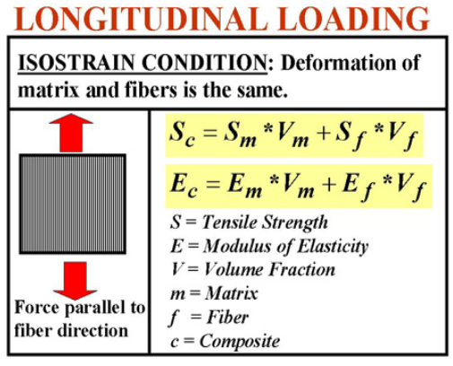
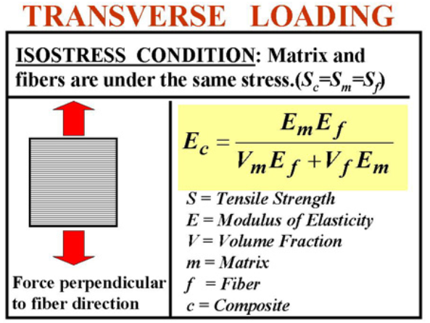

Reinforcement |  |  | Isostrain |  |  | Isostress
Fraction | 0.4 |  | Youngs | 160.36 | Gpa | Youngs | 0.999000999 | Gpa
Youngs modulus | 400 | Gpa | Tesnsile strength | 0 | Gpa | Tesnsile strength |  | Gpa | v
Tensile strength |  | Gpa

Matrix
Fraction | 0.6
Youngs modulus | 0.6 | Gpa
Tensile strength |  | Gpa

